Sheet1
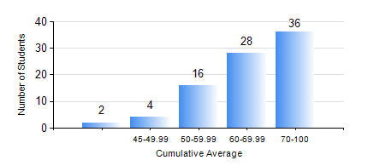
 |  |  | KWAME NKRUMAH UNIVERSITY OF SCIENCE AND TECHNOLOGY, KUMASI Department of Computer Engineering

 |  |  | BSC. BIOMEDICAL ENG.

 |  |  | COMPREHENSIVE RECORD OF EXAMINATION RESULTS

 |  |  | RESULTS OF YEAR 1 FIRST SEMESTER, 2024/2025 ACADEMIC YEAR

 | Sn | Course Code |  | Course Name | Credit Hours | Min. Mark | Max. Mark | Avg. Mark | Std. Dev. | No. Passed | No. Trailed | No. (Df) | No. (I) | No. (I*) | No. Tagged(I,I*,Df) | Total
 | 0. |  |  |  |  |  |  | 0 | 0 | 0 | 0 | 0 | 0 | 0 | 0 | 2
 | 1. | BME 161 |  | CELL BIOLOGY | 3 | 40 | 85 | 62 | 10.5 | 84 | 0 | 0 | 0 | 0 | 0 | 84
 | 2. | CHEM 151 |  | GENERAL CHEMISTRY | 2 | 51 | 93 | 77 | 10.9 | 84 | 0 | 0 | 0 | 0 | 0 | 84
 | 3. | COE 153 |  | ENGINEERING TECHNOLOGY | 2 | 42 | 92 | 75 | 9.53 | 84 | 0 | 0 | 0 | 0 | 0 | 84
 | 4. | EE 151 |  | APPLIED ELECTRICITY | 3 | 20 | 96 | 51 | 16.95 | 74 | 10 | 0 | 0 | 0 | 0 | 84
 | 5. | ENGL 157 |  | COMMUNICATION SKILLS I | 2 | 43 | 84 | 65 | 8.15 | 84 | 0 | 0 | 0 | 0 | 0 | 84
 | 6. | MATH 151 |  | ALGEBRA | 4 | 40 | 91 | 72 | 12.74 | 84 | 0 | 0 | 0 | 0 | 0 | 84
 | 7. | ME 161 |  | BASIC MECHANICS | 3 | 40 | 98 | 78 | 15.54 | 84 | 0 | 0 | 0 | 0 | 0 | 84

